v92
 | Anki Cozmo 1.5: Head & Lift Gearbox Tests [v92]
Vigor | MOTOR1L |  | MOTOR1H
 | 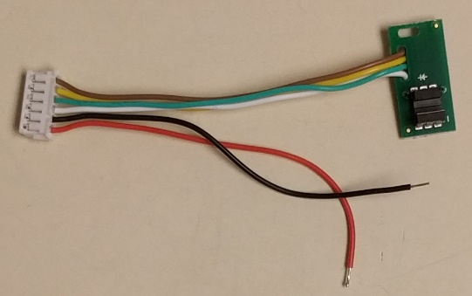 | Wire harness for Lift motor (6-pin). Gearbox NOT attached. Tests PCB wiring. Tests encoder part tolerance is within Anki specification (analog performance). | 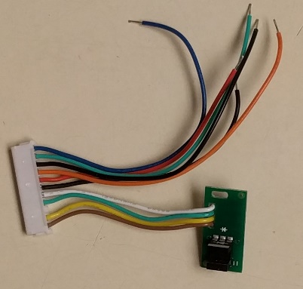 | Wire harness for Head motor (11-pin). Gearbox NOT attached. Tests PCB wiring. Tests encoder part tolerance is within Anki specification (analog performance).

 | MOTOR2L |  | MOTOR2H
 | 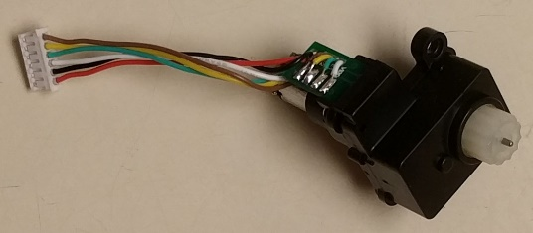 | Lift Motor harness + gearbox. Tests motor operation (bidirectional, low and high voltage) Tests encoder feedback. | 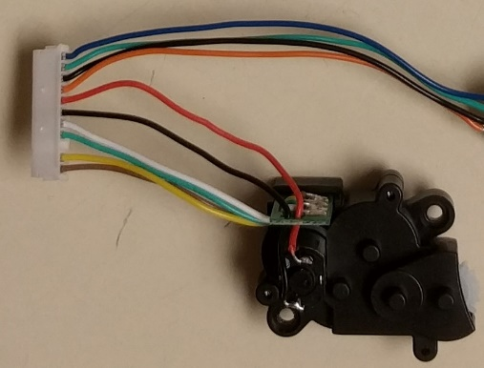 | Head Motor harness + gearbox. NO backpack PCB. Tests motor operation (bidirectional, low and high voltage) Tests encoder feedback.

 EarlyLight | MOTOR3L |  | MOTOR3H
 |  | Lift Motor harness + gearbox. Tests motor operation (bidirectional, low and high voltage) Tests encoder feedback. | 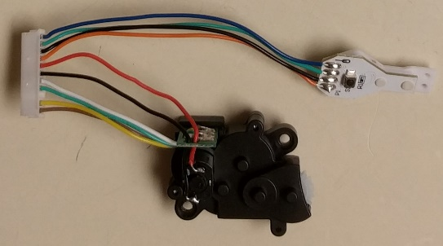 | Head Motor harness + gearbox. Backpack PCB attached. Tests motor operation (bidirectional, low and high voltage) Tests encoder feedback. Tests backpack LEDs. Tests backpack button.

